Lookup 1
 | LOOKUP

ID | Name | ID | Name
1 | Rakib Hasan | 2 | Naim Khan |  | Step 1 | Step 2
2 | Naim Khan |  |  | LOOKUP | Lookup_Value | Array (Table List)
3 | Provash Biswas
4 | Kamrul Alam
5 | Faruk Ahmed
6 | Laboni Akter
Data / list

Vlookup 1
 | VLOOKUP |  | ABC Pharmacy Ltd.
Medicine | Company | Price per Unit | Medicine | Company | Price per Unit
Napa | Beximco | 2.5 | Napa | Beximco | 2.5 | Napa |  | Step 1 | Step 2 | Step 3 | Step 4
Seclo | Square | 6 |  |  |  | Napa | VLOOKUP | Lookup_Value | Array (Table List) | Cloumn Number | Exact match
Tufnil | SK+F | 10 |  |  |  | TRUE
Fexo | Square | 9
Don-A | Acme | 3.5
 |  |  | 1 | Exact Match
Data / list
 |  |  | 2 | Multiple Return Results

Hlookup
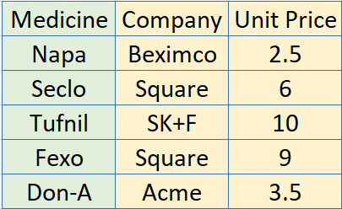
HLOOKUP | Medicine | Napa | Seclo | Tufnil | Fexo | Don-A | HLOOKUP
 | Company | Beximco | Square | SK+F | Square | Acme | SL | 1 | 2 | 3 | 4 | 5
 | Unit Price | 2.5 | 6 | 10 | 9 | 3.5 | Medicine | Napa 500 | Fexo 120 | Seclo 20 | Ceevit | Histacin
 |  |  |  |  |  |  | SL | Medicine

 | Medicine | Company | Price per pice
 | Seclo | Square | 6

